Front
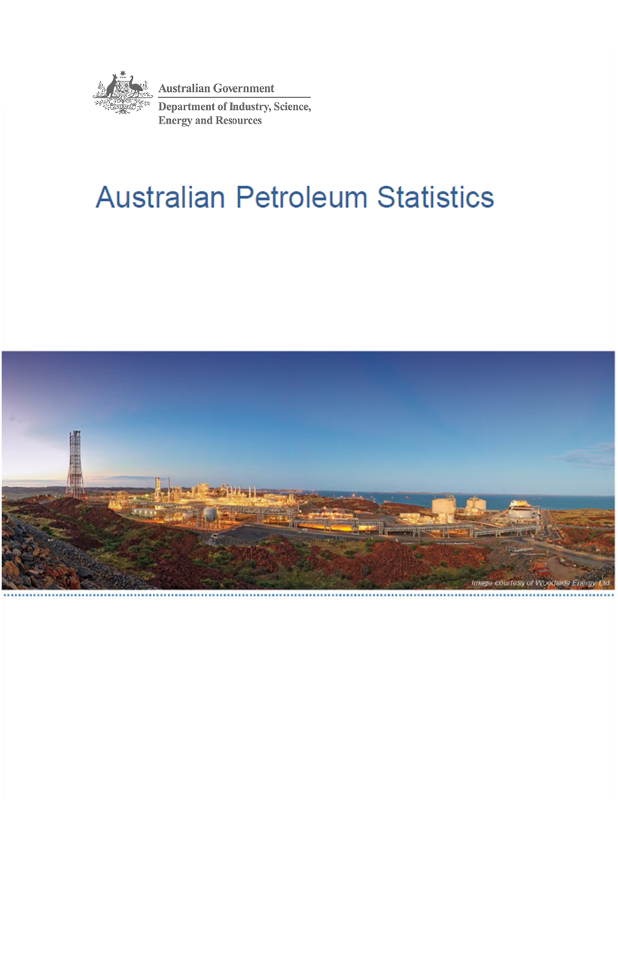

Issue 287, June 2020

https://www.energy.gov.au/government-priorities/energy-data/australian-petroleum-statistics

Figure 8B
Australian Petroleum Statistics

Figure 8B. Comparison of retail fuel prices and taxes in OECD countries - March Quarter 2020

Premium unleaded petrol
United States | 91 | 23
Canada | 91 | 50
Australia | 98 | 56
Chile | 86 | 78
Turkey | 77 | 88
Poland | 74 | 97
Hungary | 87 | 100
Austria | 82 | 116
Lithuania | 89 | 114
Czech Republic | 84 | 119
Luxembourg | 100 | 111
Latvia | 89 | 124
Slovenia | 82 | 131
Spain | 98 | 117
Slovak Republic | 94 | 122
New Zealand | 116 | 103
Estonia | 94 | 132
Korea | 109 | 121
Ireland | 88 | 147
Belgium | 94 | 142
Sweden | 84 | 153
Germany | 93 | 147
United Kingdom | 87 | 154
Switzerland | 107 | 135
France | 88 | 158
Portugal | 90 | 156
Norway | 99 | 151
Finland | 85 | 166
Denmark | 103 | 155
Italy | 91 | 169
Greece | 95 | 168
Israel | 101 | 167
Netherlands | 96 | 179
Regular unleaded petrol
United States | 74 | 23
Canada | 76 | 48
Australia | 84 | 55
Chile | 82 | 76
Korea | 82 | 113
Austria | 82 | 116
New Zealand | 101 | 101
Japan | 107 | 98
Automotive diesel
United States | 91 | 24
Chile | 89 | 32
New Zealand | 112 | 21
Canada | 93 | 42
Australia | 90 | 55
Turkey | 81 | 75
Korea | 89 | 83
Japan | 117 | 61
Luxembourg | 96 | 85
Lithuania | 93 | 96
Poland | 99 | 93
Hungary | 95 | 97
Austria | 92 | 101
Spain | 100 | 99
Latvia | 93 | 106
Slovak Republic | 105 | 96
Czech Republic | 95 | 107
Slovenia | 90 | 116
Germany | 99 | 112
Ireland | 93 | 127
Estonia | 104 | 121
Greece | 113 | 112
Netherlands | 104 | 122
Portugal | 100 | 126
Denmark | 111 | 118
Finland | 97 | 134
France | 92 | 141
Norway | 109 | 129
Sweden | 120 | 123
Italy | 96 | 147
Belgium | 102 | 144
United Kingdom | 95 | 154
Switzerland | 120 | 141
Israel | 110 | 169
Automotive LPG
Slovak Republic | 47 | 28
Australia | 56 | 21
Luxembourg | 67 | 15
Belgium | 72 | 15
Poland | 52 | 35
Czech Republic | 60 | 30
Lithuania | 48 | 44
Latvia | 54 | 45
Canada | 84 | 18
Germany | 74 | 32
Slovenia | 67 | 39
Italy | 62 | 44
Korea | 71 | 38
Netherlands | 61 | 50
Portugal | 67 | 47
Estonia | 62 | 52
Spain | 94 | 27
Hungary | 79 | 43
Japan | 105 | 26
Turkey | 93 | 42
France | 98 | 44

